Layout
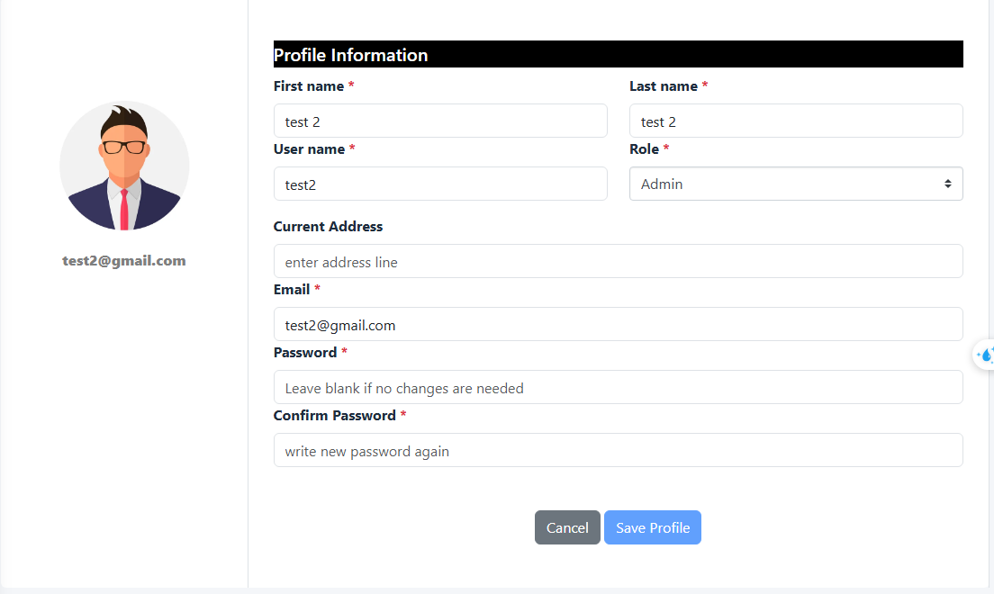
共通情報 | プロジェクト名 | Fresher - small project | 作成者 | Huỳnh Lê An
 | システム名 | Hotel Maneger | 作成日付 | 2025-07-02
 | 工程名 | Detail Design | バージョン | 0.0
 | ドキュメントID |  | 更新者
 | ドキュメント名 | Detail Design Screen | 更新日付 | 2025-07-02
詳細情報 | 画面ID
 | 画面名称 | Edit User Profile
 | 概要 | Change user's profile, validate before saving into database.

Main view:

